INPUT
B2S

XL DATA

Site ID | : | JAW-BT-CPT-0513
Site Name | : | CIPUTAT TIMUR RENGAS
Candidat | : | A
Project Deff | :
Project Type | : | B2S NEWSITE PROJECT
RBS Antenna Height | : | 0
RBS Antenna Direction | :
Date | : | 18/10/2022
COORDINAT NOM |  |  |  | Lat | : | -6.277783
 |  |  |  | Long | : | 106.754406
TBG.SYS DATA

Site Address | :
 |  | Jalan Gelatik Atas Rengas RT.008 RW.009 Kelurahan Rengas Kecamatan Ciputat Timur Kota Tangerang Selatan Provinsi Banten

Area | : | JABODETABEK
Company | : | PT. TOWER BERSAMA
ESR DATA

Contact Person/ Lanlord | : | H.NAMID H S
Phone Landlord | : | +62 | 82111500696
Contact Person Address Lanlord | : | H.NAMID H S
 | : | Jalan Gelatik Atas Rengas RT.008 RW.009 Kelurahan Rengas
 | : | Kecamatan Ciputat Timur Kota Tangerang Selatan Provinsi Banten
COORDINAT ESR |  |  |  | Lat | : | -6.27799° // 6°16'40.76"S
 |  |  |  | Long | : | 106.75397° // 106°45'14.29"E
Distance NOM to Candidate | : | 53,76 | M
Bearing NOM to Canditate | : | 244,35 | O
Map Datum : | :
Distance from public road | : | Length : | 2 | Width : | 2
Length of private access | : | Length : | 2 | Width : | 2
Height Structure Type (Roof Top) |  |  | Stories |  | : | …………………
 |  |  | Roof Top |  | : | …………………
 |  |  | Penthose |  | : | …………………
 |  |  | Other |  | : | …………………
Old of Building | : |  | Years
Tower Placement | : | GF
Tower Type | : | MP
Tower Height | : | 20 | M
Building Hight | : |  | M
Site space / Land size (LxW) | : | 6 | 6 | 36 | M2
Date ESR | : | 18/10/2022
Surveyor | : | RIZAL
Document Prepare | : | RIZAL
Phone | : | +62
Email | :
M.a.g.l | : | 105 M.a.g.l (meter above ground level)
M.a.s.l | : | M.a.s.l (meter above sea level)

App Sheet


 |  |  | APPROVAL SHEET
 |  |  | ENGINEERING SURVEY REPORT

 | SITE ID |  |  | JAW-BT-CPT-0513
 | SITE NAME |  |  | Rengas Ciputat Timur
 | CANDIDATE |  |  | A
 | SITE ADDRESS |  |  | , Jalan Gelatik Atas Rengas RT.008 RW.009 Kelurahan Rengas Kecamatan Ciputat Timur Kota Tangerang Selatan Provinsi Banten,
 | PROJECT TYPE |  |  | B2S NEWSITE PROJECT
 | PROPOSE BY |  |  | PT. TOWER BERSAMA

Note:
SLA Routing Approval per Department is 1 (one) working day

Routing Approval:

Approval |  | Doc ESR In |  | Doc ESR Out |  | Remark | Sign | PIC Name
 |  | Date | Time | Date | Time
Sitac

BSS RND

TRM

Civil Eng

Power Eng

Approval 006
Doc ESR Received by Admin NDC
Doc Copy ESR Received by Vendor

RFA
REQUEST FOR APPROVAL
(Tower Rental Project)

 |  | Date : 18/10/2022
Site ID | Site Info | Provider Remark
SITE ID : JAW-BT-CPT-0513
Site Name : CIPUTAT TIMUR RENGAS

Tower Height : 20 M | Location Photograph
Tower Type : GF-MP-20 M
 | Site Search Report

Site Address :
, Jalan Gelatik Atas Rengas RT.008 RW.009 Kelurahan Rengas Kecamatan Ciputat Timur Kota Tangerang Selatan Provinsi Banten,

Candidate Proposed Coordinate
Kandidat B | LOI
LATITUDE : -6.27799° // 6°16'40.76"S

LONGITUDE : 106.75397° // 106°45'14.29"E | Property Document
(harus sama dgn info koordinat di halaman 1)

NOM Coordinate
LATITUDE : -6.277783

LONGITUDE : 106.754406

Distance NOM to Candidate : 53,76 mtr
Bearing NOM to Canditate : 244,35 degree

Prepared By : | Review By : | Approved by XL:

PT. TOWER BERSAMA
PIC : RIZAL () Phone : +62 | Name : | Name :
Date : 18/10/2022 | Date : | Date :

Approved by : XL
Name :
Date
Released to vendor by :
Name :
Date :
Prepared by :
PT. Inti Samudra Prakarsa
PIC: Herman Effendi
Reviewed by :
Name :
Date :

Photo GPS
 |  |  | PHOTOGRAPH DOCUMENTARY
Site No. | : | JAW-BT-CPT-0513 | Project | : | B2S NEWSITE PROJECT
Site Name | : | CIPUTAT TIMUR RENGAS | Location | : | JABODETABEK
Visit Date | : | 18/10/2022 | Prepared by | : | PT. TOWER BERSAMA
Surveyor | : | RIZAL

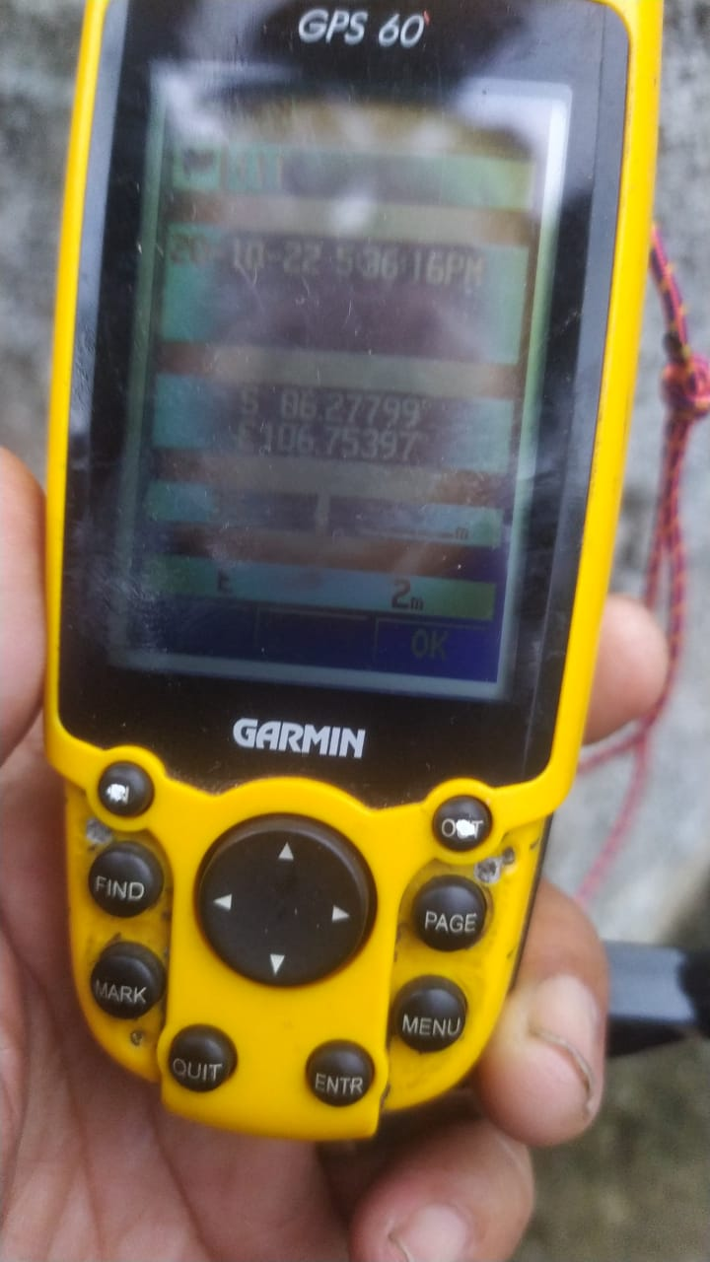

GPS COORDINATE

Suroundings
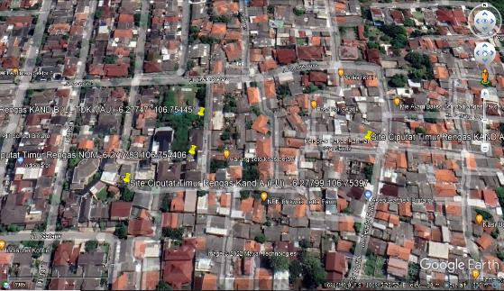
 |  |  | PHOTOGRAPH DOCUMENTARY
Site No. | : | JAW-BT-CPT-0513 | Project | : | B2S NEWSITE PROJECT
Site Name | : | CIPUTAT TIMUR RENGAS | Location | : | JABODETABEK
Visit Date | : | 18/10/2022 | Prepared by | : | PT. TOWER BERSAMA
Surveyor | : | RIZAL

0,30
 |  |  | PHOTOGRAPH DOCUMENTARY
Site No. | : | JAW-BT-CPT-0513 | Project | : | B2S NEWSITE PROJECT
Site Name | : | CIPUTAT TIMUR RENGAS | Location | : | JABODETABEK
Visit Date | : | 18/10/2022 | Prepared by | : | PT. TOWER BERSAMA
Surveyor | : | RIZAL

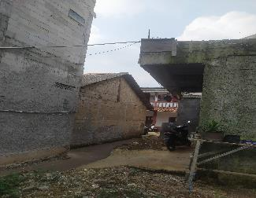

Panoramic 0º

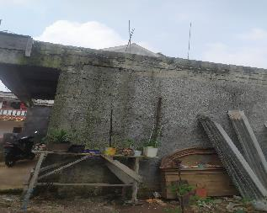

Panoramic 30º

60,90
 |  |  | PHOTOGRAPH DOCUMENTARY
Site No. | : | JAW-BT-CPT-0513 | Project | : | B2S NEWSITE PROJECT
Site Name | : | CIPUTAT TIMUR RENGAS | Location | : | JABODETABEK
Visit Date | : | 18/10/2022 | Prepared by | : | PT. TOWER BERSAMA
Surveyor | : | RIZAL

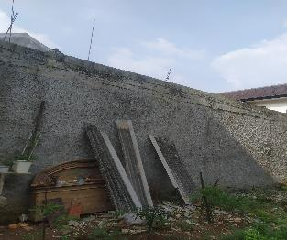

Panoramic 60º

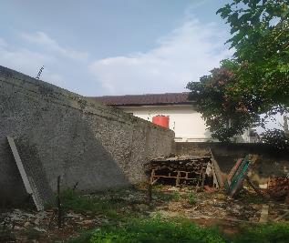

Panoramic 90º

120,150
 |  |  | PHOTOGRAPH DOCUMENTARY
Site No. | : | JAW-BT-CPT-0513 | Project | : | B2S NEWSITE PROJECT
Site Name | : | CIPUTAT TIMUR RENGAS | Location | : | JABODETABEK
Visit Date | : | 18/10/2022 | Prepared by | : | PT. TOWER BERSAMA
Surveyor | : | RIZAL

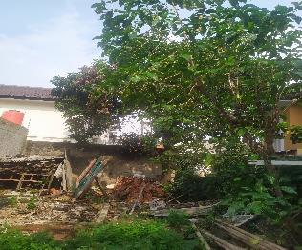

Panoramic 120º

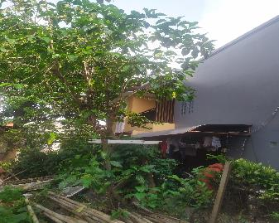

Panoramic 150º

180,210
 |  |  | PHOTOGRAPH DOCUMENTARY
Site No. | : | JAW-BT-CPT-0513 | Project | : | B2S NEWSITE PROJECT
Site Name | : | CIPUTAT TIMUR RENGAS | Location | : | JABODETABEK
Visit Date | : | 18/10/2022 | Prepared by | : | PT. TOWER BERSAMA
Surveyor | : | RIZAL

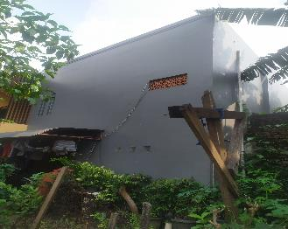

Panoramic 180º

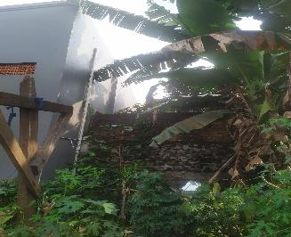

Panoramic 210º

240, 270
 |  |  | PHOTOGRAPH DOCUMENTARY
Site No. | : | JAW-BT-CPT-0513 | Project | : | B2S NEWSITE PROJECT
Site Name | : | CIPUTAT TIMUR RENGAS | Location | : | JABODETABEK
Visit Date | : | 18/10/2022 | Prepared by | : | PT. TOWER BERSAMA
Surveyor | : | RIZAL

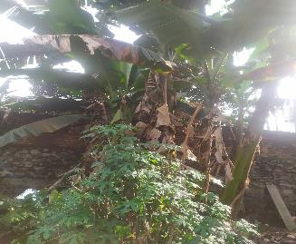

Panoramic 240º

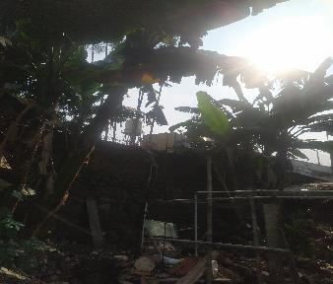

Panoramic 270º

300, 330
 |  |  | PHOTOGRAPH DOCUMENTARY
Site No. | : | JAW-BT-CPT-0513 | Project | : | B2S NEWSITE PROJECT
Site Name | : | CIPUTAT TIMUR RENGAS | Location | : | JABODETABEK
Visit Date | : | 18/10/2022 | Prepared by | : | PT. TOWER BERSAMA
Surveyor | : | RIZAL

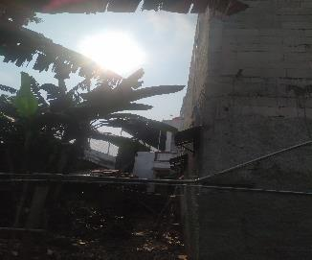

Panoramic 300º

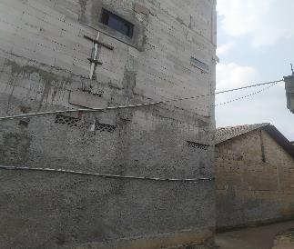

Panoramic 330º

RBS
 |  |  | PHOTOGRAPH DOCUMENTARY
Site No. | : | JAW-BT-CPT-0513 | Project | : | B2S NEWSITE PROJECT
Site Name | : | CIPUTAT TIMUR RENGAS | Location | : | JABODETABEK
Visit Date | : | 18/10/2022 | Prepared by | : | PT. TOWER BERSAMA
Surveyor | : | RIZAL



Panoramic 75º

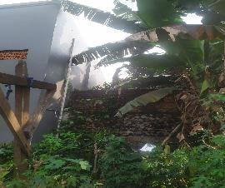

Panoramic 210º

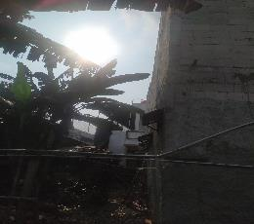

Panoramic 300º

depan,belakang
 |  |  | PHOTOGRAPH DOCUMENTARY
Site No. | : | JAW-BT-CPT-0513 | Project | : | B2S NEWSITE PROJECT
Site Name | : | CIPUTAT TIMUR RENGAS | Location | : | JABODETABEK
Visit Date | : | 18/10/2022 | Prepared by | : | PT. TOWER BERSAMA
Surveyor | : | RIZAL

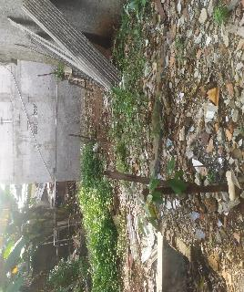

TAMPAK BAGIAN DEPAN SITE

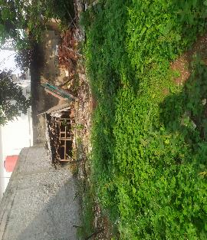

TAMPAK bAGIAN BELAKANG SITE

kiri,kanan
 |  |  | PHOTOGRAPH DOCUMENTARY
Site No. | : | JAW-BT-CPT-0513 | Project | : | B2S NEWSITE PROJECT
Site Name | : | CIPUTAT TIMUR RENGAS | Location | : | JABODETABEK
Visit Date | : | 18/10/2022 | Prepared by | : | PT. TOWER BERSAMA
Surveyor | : | RIZAL

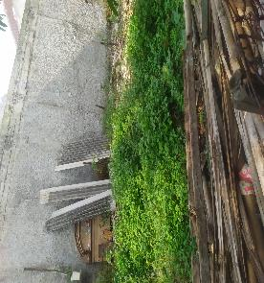

TAMPAK BAGIAN KANAN SITE

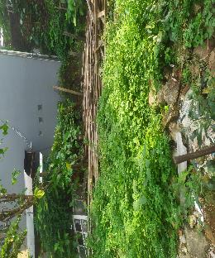

TAMPAK BAGIAN KIRI SITE

PANORAMA 0O
PANORAMA 30O
PANORAMA 60O
PANORAMA 90O
PANORAMA 120O
PANORAMA 150O
PANORAMA 180O
PANORAMA 210O
PANORAMA 240O
PANORAMA 270O
PANORAMA 300O
PANORAMA 330O

RBB ANTENNA SECTOR
PANORAMA 0O
PANORAMA 0O
PANORAMA 0O
PANORAMA 0O

SITE LOCATION
TAMPAK DEPAN
TAMPAK BELAKANG
TAMPAK KIRI
TAMPAK KANAN

PLN/POWER POLE,TRAFO

SITE ACCESS TO SITE

Site Location
 |  |  | PHOTOGRAPH DOCUMENTARY
Site No. | : | JAW-BT-CPT-0513 | Project | : | B2S NEWSITE PROJECT
Site Name | : | CIPUTAT TIMUR RENGAS | Location | : | JABODETABEK
Visit Date | : | 18/10/2022 | Prepared by | : | PT. TOWER BERSAMA
Surveyor | : | RIZAL

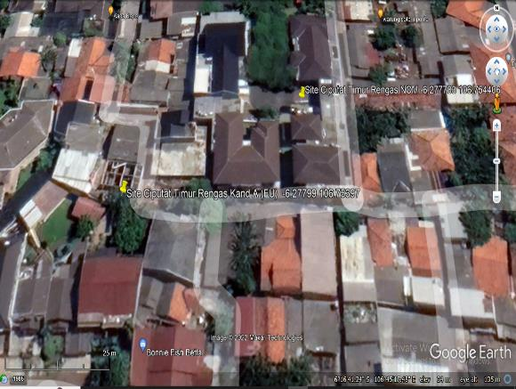

Proposed Tower

site access
 |  |  | PHOTOGRAPH DOCUMENTARY
Site No. | : | JAW-BT-CPT-0513 | Project | : | B2S NEWSITE PROJECT
Site Name | : | CIPUTAT TIMUR RENGAS | Location | : | JABODETABEK
Visit Date | : | 18/10/2022 | Prepared by | : | PT. TOWER BERSAMA
Surveyor | : | RIZAL

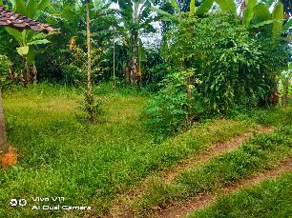

SITE ACCESS TO SITE

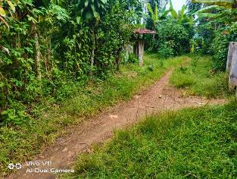

SITE ACCESS TO SITE

 |  |  | PHOTOGRAPH DOCUMENTARY
Site No. | : | JAW-BT-CPT-0513 | Project | : | B2S NEWSITE PROJECT
Site Name | : | CIPUTAT TIMUR RENGAS | Location | : | JABODETABEK
Visit Date | : | 18/10/2022 | Prepared by | : | PT. TOWER BERSAMA
Surveyor | : | RIZAL

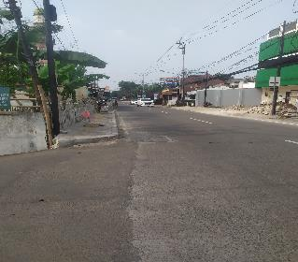

SITE ACCESS TO SITE

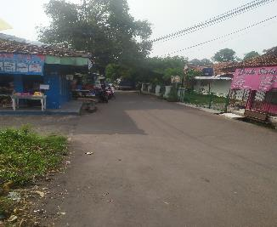

SITE ACCESS TO SITE

Site No. | : | JAW-BT-CPT-0513 | Project | : | B2S NEWSITE PROJECT
Site Name | : | CIPUTAT TIMUR RENGAS | Location | : | JABODETABEK
Visit Date | : | 18/10/2022 | Prepared by | : | PT. TOWER BERSAMA
Surveyor | : | RIZAL

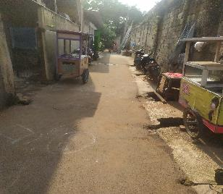

SITE ACCESS TO SITE

 |  |  | PHOTOGRAPH DOCUMENTARY
Site No. | : | JAW-BT-CPT-0513 | Project | : | B2S NEWSITE PROJECT
Site Name | : | CIPUTAT TIMUR RENGAS | Location | : | JABODETABEK
Visit Date | : | 18/10/2022 | Prepared by | : | PT. TOWER BERSAMA
Surveyor | : | RIZAL

SITE ACCESS TO SITE

SITE ACCESS TO SITE

PLN
 |  |  | PHOTOGRAPH DOCUMENTARY
Site No. | : | JAW-BT-CPT-0513 | Project | : | B2S
Site Name | : | CIPUTAT TIMUR RENGAS | Location | : | JABODETABEK
Visit Date | : | 18/10/2022 | Prepared by | : | PT. TOWER BERSAMA
Surveyor | : | RIZAL

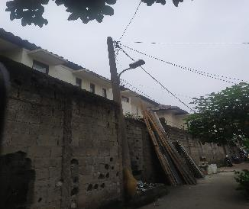

POLE PLN Distance to site 20 m

TRAFO PLN

Site Situasi
 |  |  | PHOTOGRAPH DOCUMENTARY
Site No. | : | JAW-BT-CPT-0513 | Project | : | B2S
Site Name | : | CIPUTAT TIMUR RENGAS | Location | : | JABODETABEK
Visit Date | : | 18/10/2022 | Prepared by | : | PT. TOWER BERSAMA
Surveyor | : | RIZAL

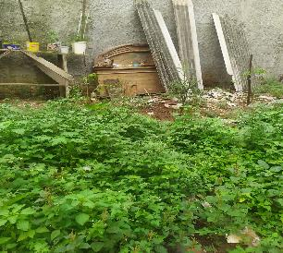

SITE SITUATION 1

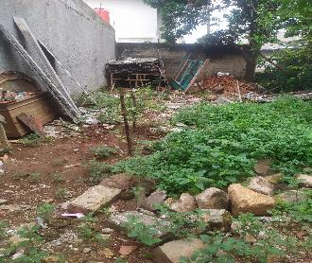

SITE SITUATION 2

Peta dan Layout
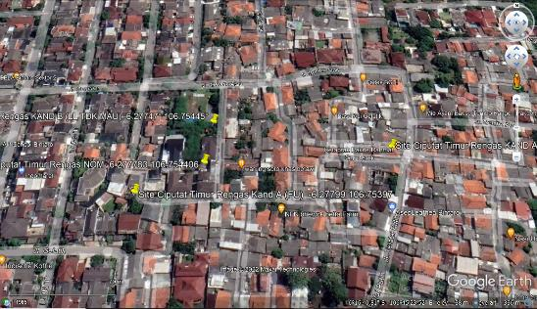
 |  |  | PHOTOGRAPH DOCUMENTARY
Site No. | : | JAW-BT-CPT-0513 | Project | : | B2S
Site Name | : | CIPUTAT TIMUR RENGAS | Location | : | JABODETABEK
Visit Date | : | 18/10/2022 | Prepared by | : | PT. TOWER BERSAMA
Surveyor | : | RIZAL

PETA LOKASI

